Data Exhibit-4
4-step manufacturing process for all 3 products in Fabricadas
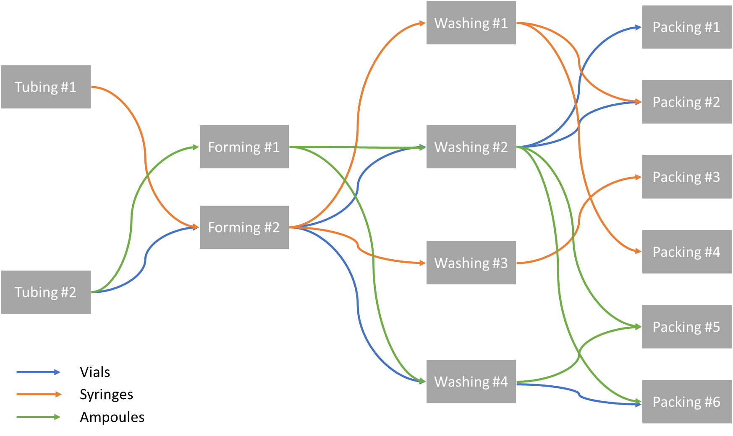

Fabricadas Utilization and Stoppages
Unit | Weekends and Holidays | Planned shutdowns | Unplanned shutdowns
Tubing #1 | 115 | 10 | 15
Tubing #2 | 115 | 10 | 20
Forming #1 | 115 | 10 | 15
Forming #2 | 115 | 10 | 25
Washing #1 | 115 | 10 | 15
Washing #2 | 115 | 10 | 20
Washing #3 | 115 | 10 | 20
Washing #4 | 115 | 10 | 15
Packing #1 | 115 | 10 | 20
Packing #2 | 115 | 10 | 20
Packing #3 | 115 | 10 | 25
Packing #4 | 115 | 10 | 15
Packing #5 | 115 | 10 | 20
Packing #6 | 115 | 10 | 20

